Script
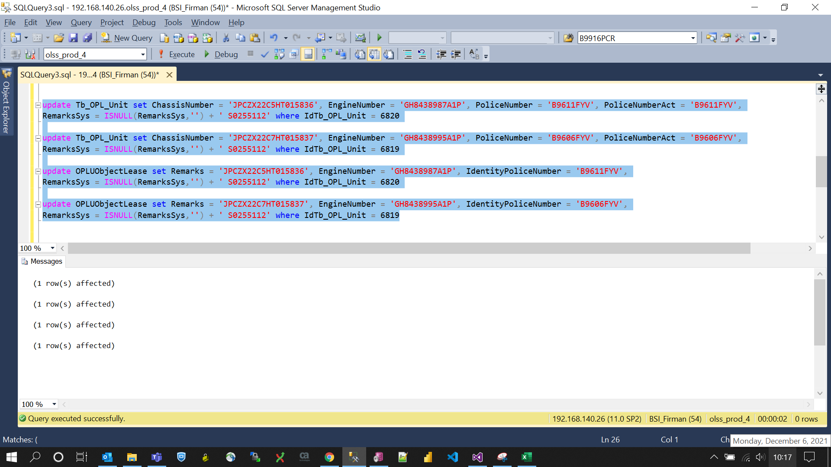
update Tb_OPL_Unit set ChassisNumber = 'JPCZX22C5HT015836', EngineNumber = 'GH8438987A1P', PoliceNumber = 'B9611FYV', PoliceNumberAct = 'B9611FYV',
RemarksSys = ISNULL(RemarksSys,'') + ' S0255112' where IdTb_OPL_Unit = 6820

update Tb_OPL_Unit set ChassisNumber = 'JPCZX22C7HT015837', EngineNumber = 'GH8438995A1P', PoliceNumber = 'B9606FYV', PoliceNumberAct = 'B9606FYV',
RemarksSys = ISNULL(RemarksSys,'') + ' S0255112' where IdTb_OPL_Unit = 6819

update OPLUObjectLease set Remarks = 'JPCZX22C5HT015836', EngineNumber = 'GH8438987A1P', IdentityPoliceNumber = 'B9611FYV',
RemarksSys = ISNULL(RemarksSys,'') + ' S0255112' where IdTb_OPL_Unit = 6820

update OPLUObjectLease set Remarks = 'JPCZX22C7HT015837', EngineNumber = 'GH8438995A1P', IdentityPoliceNumber = 'B9606FYV',
RemarksSys = ISNULL(RemarksSys,'') + ' S0255112' where IdTb_OPL_Unit = 6819

Screenshot
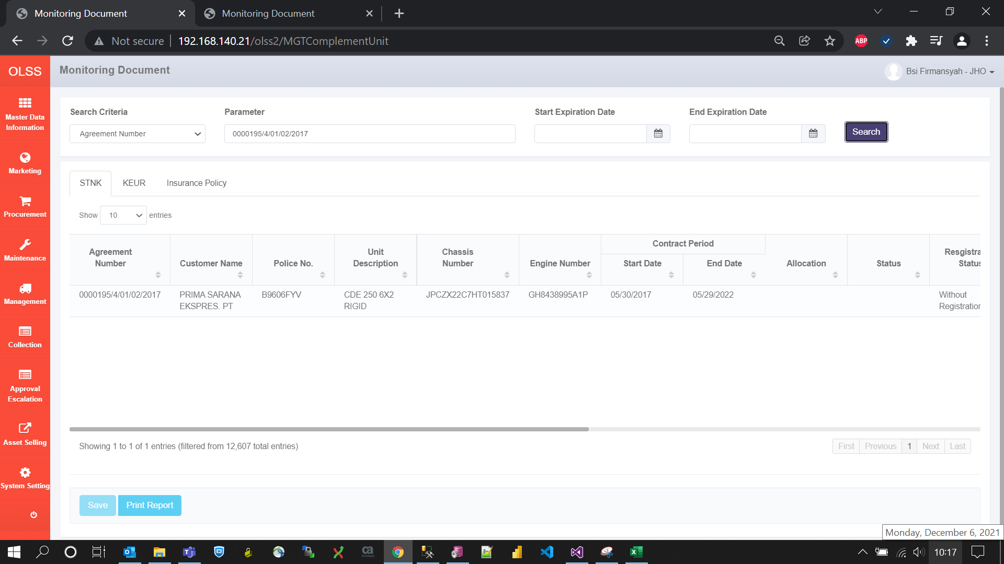
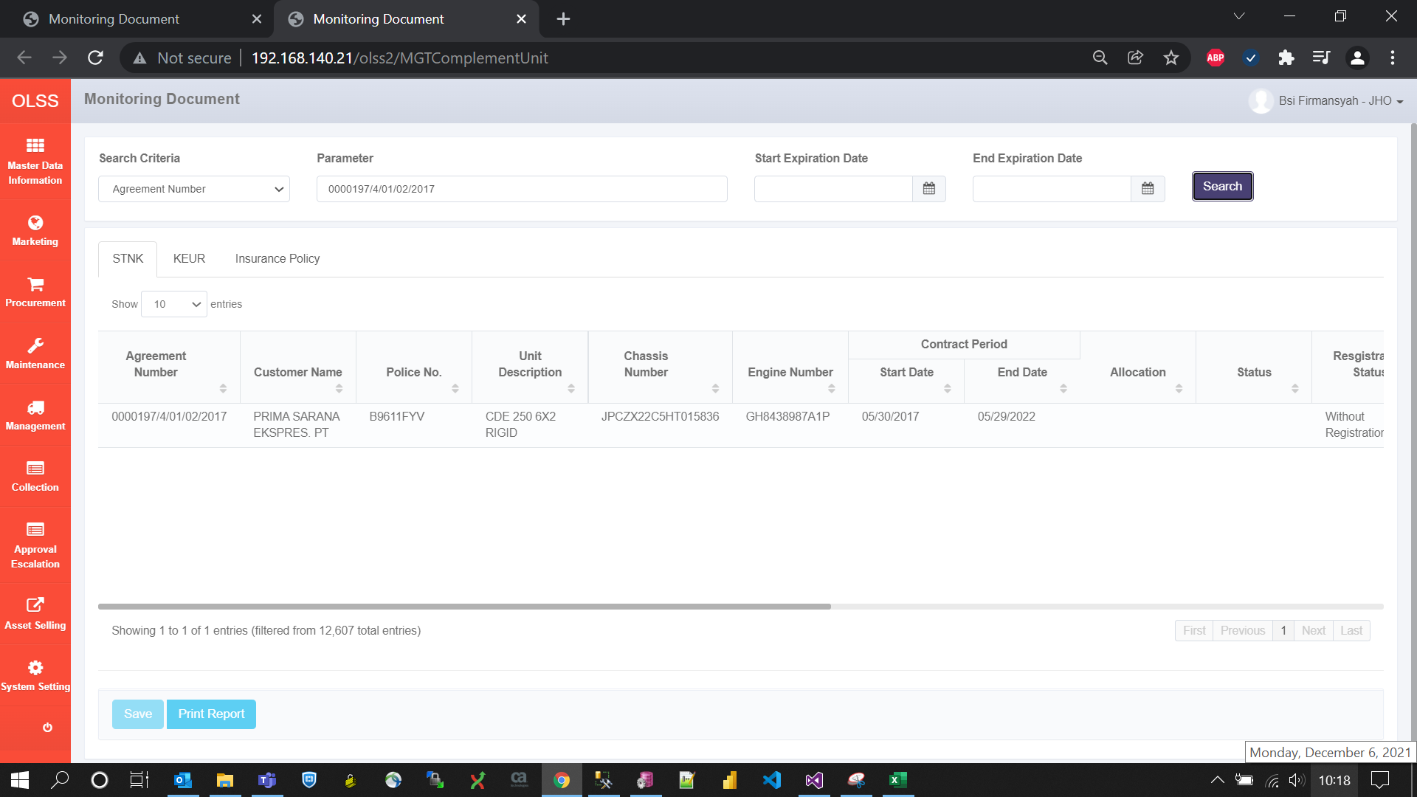
BEFORE
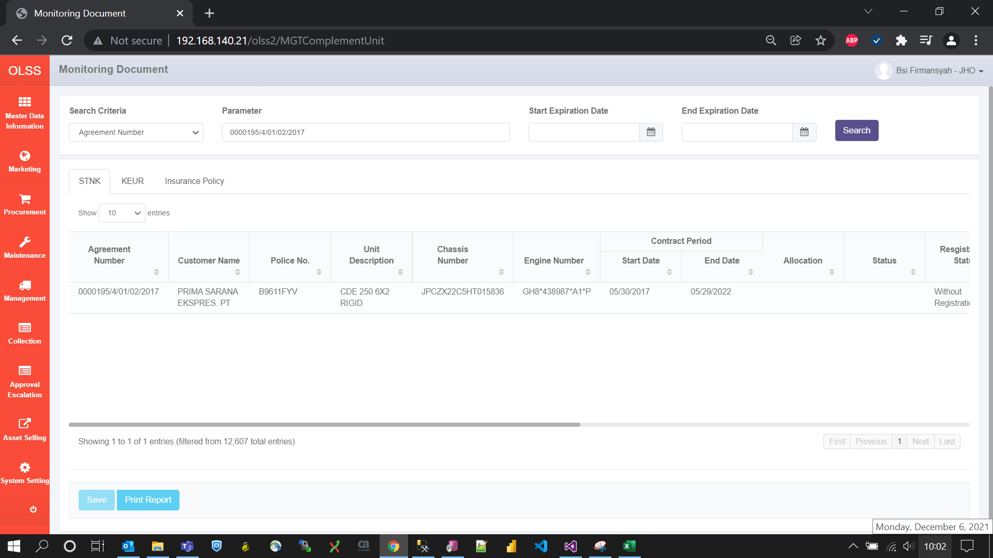


AFTER

